Notes
Listed on BSE and NSE in 2022
Revenue stream-
New Luxury Watch retail- tie up from brands , buy from them and sell them through their bouquet store and online
Sell pre owned watch retail - Buy used luxury watch , restore them, certify them and sold with warranty
Watch servicing, repairing and accessories
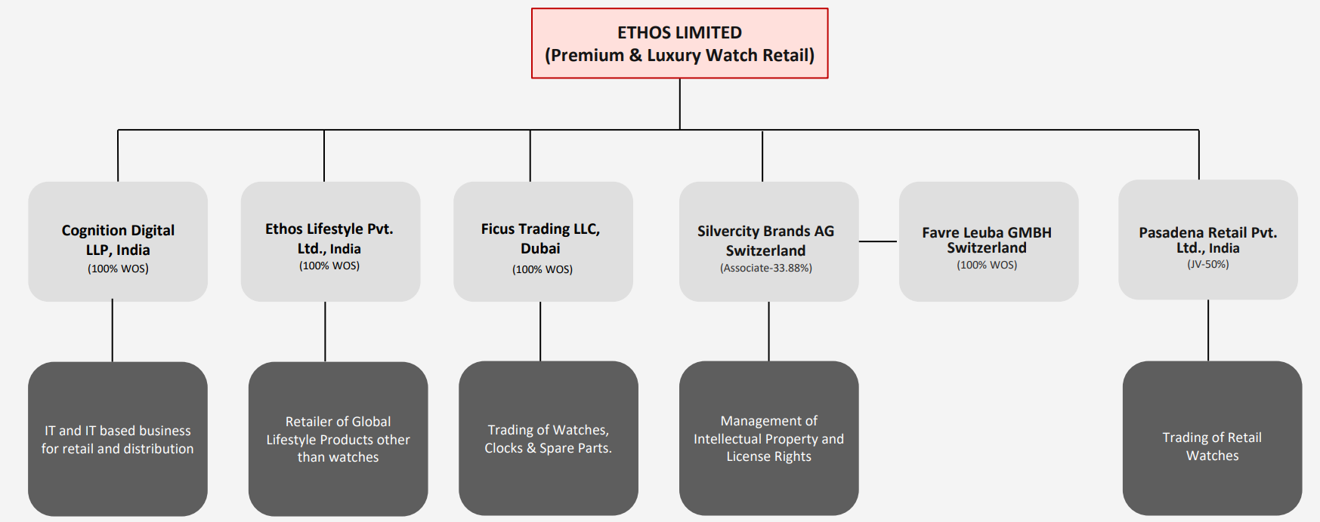
Luxury jeweller and luggage - | Messika Jewellery
 | Rimowa luggage - 1st store opened in 2025

Particular/Years | 2022 | 2023 | 2024 | 2025
Average Selling price (In Lakhs) | 1.49 | 1.59 | 1.89 | 2.04
Number of stores- | 50 | 56 | 63 | 73.00
SSG |  | 30% | 16% | 17.4%
Digitally assisted sales (In Cr.) | 222.80 | 283.90 | 358.60 | 492.0
Online Visitors(In Lakhs) | 2,277,000.00 | 2,364,300.00 | 2,140,500.00

Impact of EFTA
Impact of Foreign exchange

In IS there is no "Change in WIP" bcz company doesn't produce any watch they buy from brands (Purchase of stock in trade) and sell to end customers (Change in stock in trade (Negative))
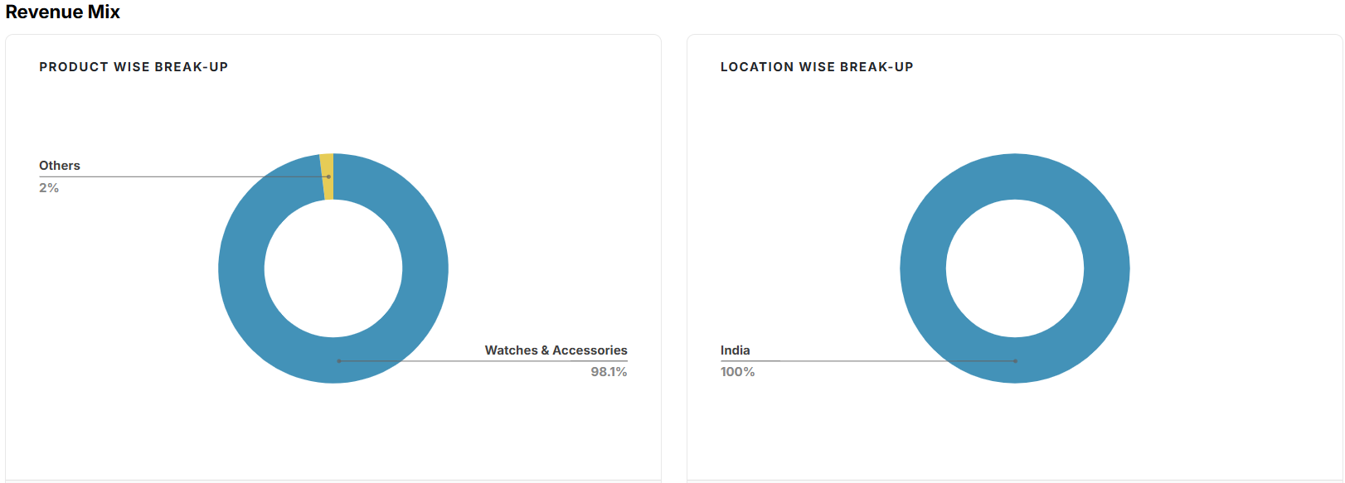
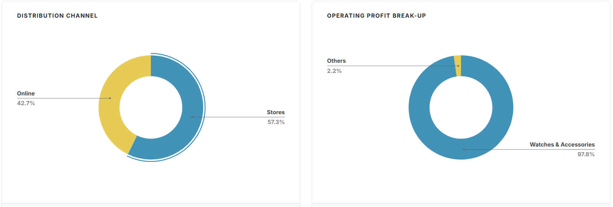



News on city of time dated 26 may 2025 | Ethos Watches has unveiled—City of Time, a 22,000-square-foot horological haven in the heart of Gurugram

Concall May 2025- | pg2-The City of Time Gurgaon spanning over 22,000 square feet features five exclusive brand boutiques and two multi-brand galleries with 50-plus independent brands, watchmaking zones, a cigar lounge and more
 | pg3-Looking ahead, we remain on track to be able to cross 100 boutiques during the current financial year.
 | Furthermore, inventory for the 8 boutiques opening in May 2025 was proactively prearranged in quarter four to ensure timely and seamless launches. Because of the above reasons, the inventory moved from INR 440 crores on 31st March 2024 to INR593 crores as on 31st March 2025
 | As part of our international expansion strategy, we have established a wholly-owned subsidiary in the UAE. It's called Ficus Trading LLC.
 | We have now implemented a prudent hedging strategy covering approximately 50% of our foreign currency exposure through forward contracts
 | pg8- and in terms of overall volume, it grew by almost 15.5% year-on-year. And in terms of average selling price, it grew by 7.4%.
 | And as I had mentioned two years ago when the listing was taking place that we want to grow 10x in 10 years has been our vision, right, especially in the retail of watches and premium products in India
 | Pg12-we see that about a little bit above 40% is repeat buying
 | Pg13-In addition, there were some brand debit notes. Generally, we get every quarter or half yearly basis. This year, it was accumulated and padded up to the year-end. So that's why you see the reduction in the creditors.
 | pg16- Manish Poddar: So just two questions. So one is in terms of any sense of our market share in India? How would that be stacking? Pranav Saboo: In the segments that we operate with, we believe that it is about 35% to 40%.

Concall Nov 2024- | pg7-But is there an opportunity in the next 5 years to open 20 stores a year
 | Pg 8 - In terms of EFTA, the EFTA is a groundbreaking agreement. It will reduce customs duty and it will impact our bottom line in a positive manner.
 | pg 9- In my opinion over the next 5 years, we are going to at least target an 8X to 10X increase in the business of just Rimowa itself. we hope to open 8 to 10 boutiques more of Messika in the next 5 years.
 | pg12- As I mentioned our SSG has been 15.5% in the last 6 months. Our goal is to increase our overall revenue, and our overall business will be 10times in 10 years. I think it will be a healthy mix of same store growth and new store addition

Concall May 2023 | pg7-SSG numbers, for the year, for the last year, the SSG was 30%. So which is extremely strong. Our overall target, our steady target for, the next three to four years is an SSG target between 12% and 15%. So last year, of course, was completely an outlier.But 12% to 15% SSG growth is our target, a long-term target.

